#2
#2
 | Maximize | Z | 10 | 8 | 9
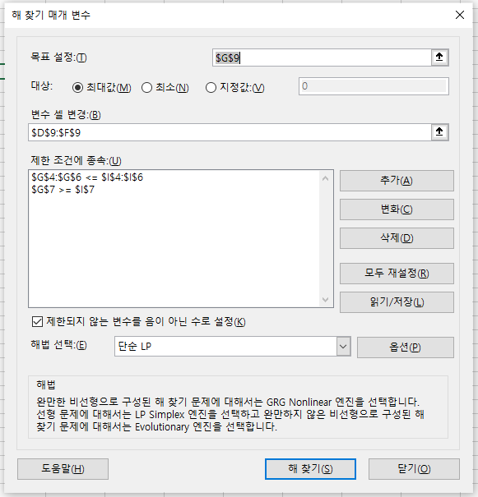
 |  | C1 | 2 | 3 | 1 | 1000 | <= | 1000
 |  | C2 | 5 | 6 | 6 | 2400 | <= | 2400
 |  | C3 | 1 | 1 | 1 | 440 | <= | 700
 |  | C4 | 0 | 1 | 0 | 160 | >= | 160

 |  | X | 240 | 160 | 40 | 4040

